Frame Design
 |  |  | Finishes = | 1 | kPa |  |  |  | Column | 300 | x | 300 |  | I | 675000000
 |  |  | Variable loading = | 2 | kPa | (Category A EC2) |  |  | Beam | 300 | x | 450 |  | Iz-z | 2278125000
 |  |  | Slab thickness = | 125 | mm
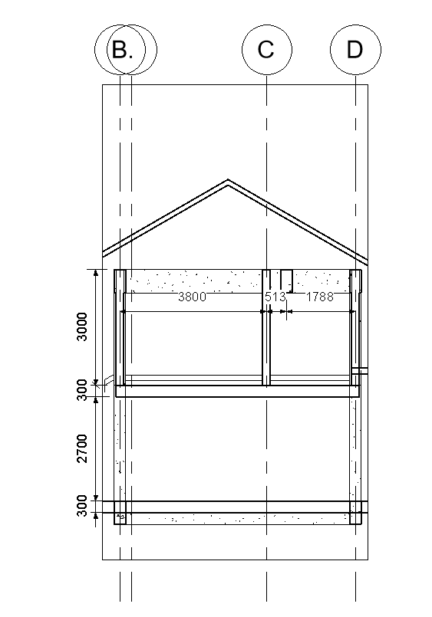
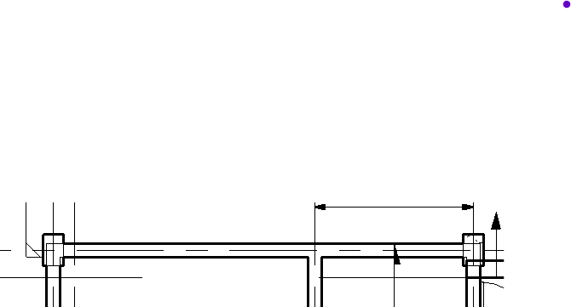

 |  |  | Action
 |  |  | Beam 1 | HOW TO GET LOADING FROM THE ROOF? |  |  |  |  |  |  | Beam 2
 |  |  |  | HOW TO GET LOADING FROM THE ROOF?
 |  | Level 2

B1
B2

B3
B5
B4
A
Beam 1
Beam 2
C

Roof Level
 |  |  | Beam 3 |  |  |  |  |  |  |  | Beam 4
 |  |  |  |  |  |  |  |  |  |  |  | Loading from slab
 |  |  |  | Lx = | 3395 | mm |  |  |  |  |  | Lx = | 2300 | mm
 |  |  |  | Ly = | 3800 | mm |  |  |  |  |  | Ly = | 2900 | mm
D
Beam 3
Beam 4
F
 |  |  |  | Ly/Lx = | 1.1192930781 | 2 Way Slab |  |  |  |  |  | Ly/Lx = | 1.2608695652 | 2 Way Slab
1st Level
 |  |  |  | 2 Adjesecnt Discontinous |  |  |  | Byx = | 0.27 | B1 |  | 1 short Discontinous |  |  |  | Byx = | 0.24 | B2
 |  |  |  | Required thickness = |  | 113.16666667 | mm | Bxx = | 0.26 | B4 |  | Required thickness = |  | 76.666666667 | mm | Bxx = | 0.44 | B4
 |  |  |  | Thickness taken = |  | 125 | mm | Bxx = | 0.4 | B5 |  | Thickness taken = |  | 125 | mm | Bxx = | 0.44 | B3
 |  |  |  | B1 |  |  |  |  |  |  |  | B2
 |  |  |  | Loading on Beam |  |  |  |  |  |  |  | Loading on Slab
Beam 5
 |  |  |  | Gk |  |  | Qk |  |  |  |  | Gk |  |  | Qk
 |  |  |  | Self weight slab | 3.125 |  | Variable | 2 |  |  |  | Self weight | 3.125 |  | Variable | 2
2nd Level
 |  |  |  | Finishes | 1 |  | Total qk = | 2 |  |  |  | Finishes | 1 |  | Total qk = | 2

 |  |  |  | Total gk slab= | 3.78118125 |  |  |  |  |  |  | Total gk slab= | 2.277

 |  |  |  | Beam Self weight = | 2.4375 |  | 2.6 | brick wall |  |  |  | Beam Self weight = | 2.4375 |  | 2.6 | brick wall
 |  |  |  | Brick wall = | 7.8 |  | 3 | m tall |  |  |  | Brick wall = | 7.8 |  | 3 | m tall
 |  |  |  | Total gk on beam = | 14.01868125 |  | Total qk on beam = | 1.8333 |  |  |  | Total gk on beam = | 12.5145 |  | Total qk on beam = | 1.104
 |  |  |  | 1.35Gk + 1.5 Qk | 21.675169688 |  |  |  |  |  |  | 1.35Gk + 1.5 Qk | 18.550575
 |  |  |  | 1.5 Qk | 2.74995 |  |  |  |  |  |  | 1.5 Qk | 1.656

 |  |  |  | B4 |  |  |  |  |  |  |  | B4
 |  |  |  | Total Gk & Qk= | 21.384260625 | kN/m/m |  |  |  |  |  | Total Gk & Qk= | 22.4922 | kN/m/m
 |  |  |  | Length Slab = | 3395 | mm |  |  |  |  |  | Length Slab = | 2300 | mm
 |  |  |  | 1.5 Qk = | 2.6481 | kN/m |  |  |  |  |  | 1.5 Qk = | 3.036 | kN/m

 |  |  |  | FEM |  |  |  |  |  |  |  |  |  |  |  |  |  |  |  | FEM
 |  |  |  | Point Load |  |  |  |  |  |  |  |  |  |  |  |  |  |  |  | Point Load
 | Do I take W Max or W min?? |  |  | Total action on Beam 4 = | 43.876460625 | kN/m | FEM Left | -27.495978213 | kNm |  |  |  |  |  |  |  |  |  | Do I take W Max or W min?? | Total action on Beam 4 = | 43.876460625 | kN/m | FEM Left | -27.495978213 | kNm
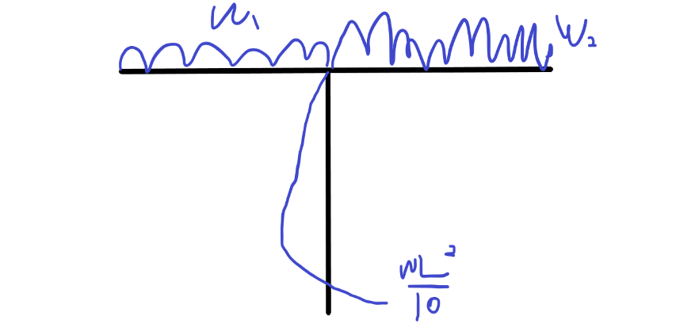
 |  |  |  | Length of beam = | 2.9 | m |  |  |  |  |  |  |  |  |  |  |  |  |  | Length of beam = | 2.9 | m
 |  |  |  | Moment due to loading = | 36.900103386 | kNm | FEM Right | 45.428137918 | kNm |  |  |  |  |  |  |  |  |  |  | Moment due to loading = | 36.900103386 | kNm | FEM Right | 45.428137918 | kNm
 |  |  |  | Point Load due to B4 = | 50.896694325 | kN |  |  |  |  |  |  |  |  |  |  |  |  |  | Point Load due to B4 = | 50.896694325 | kN
 |  |  |  | L Beam 1= | 3.8 | m |  |  |  |  |  |  |  |  |  |  |  |  |  | L Beam 1= | 3.8 | m
 |  |  |  | L Beam 2= | 2.3 | m |  |  |  |  |  |  |  |  |  |  |  |  |  | L Beam 2= | 2.3 | m

 |  |  |  | W1 |  |  |  |  |  |  |  |  |  |  |  |  |  |  |  | W1
 | W max on Both sides |  |  | Total action on Beam 4 = | 21.384260625 | kN/m | FEM Left | -25.732393619 | kNm |  |  |  |  |  |  |  |  |  | W max on Both sides | Total action on Beam 4 = | 2.74995 | kN/m | FEM Left | -3.3091065 | kNm
 |  |  |  | Length of beam = | 3.8 | m |  |  |  |  |  |  |  |  |  |  |  |  |  | Length of beam = | 3.8 | m
 |  |  |  |  |  |  | FEM Right | 25.732393619 | kNm |  |  |  |  |  |  |  |  |  |  |  |  |  | FEM Right | 3.3091065 | kNm

 |  |  |  | W2 |  |  |  |  |  | Total FEM |  |  |  |  |  |  |  |  |  | W2 |  |  |  |  |  | Total FEM
 |  |  |  | Total action on Beam 4 = | 22.4922 | kN/m | FEM Left | -21.603804959 | kNm |  |  |  |  |  |  |  |  |  |  | Total action on Beam 4 = | 1.656 | kN/m | FEM Left | -1.59059145 | kNm
 |  |  |  | Length of beam = | 3395 | m |  |  |  | Left | -74.832176791 | kNm |  |  |  |  |  |  |  | Length of beam = | 3395 | m |  |  |  | Left | -32.395676163 | kNm
 |  |  |  |  |  |  | FEM Right | 21.603804959 | kNm | Right | 92.764336495 | kNm |  |  |  |  |  |  |  |  |  |  | FEM Right | 1.59059145 | kNm | Right | 50.327835868 | kNm

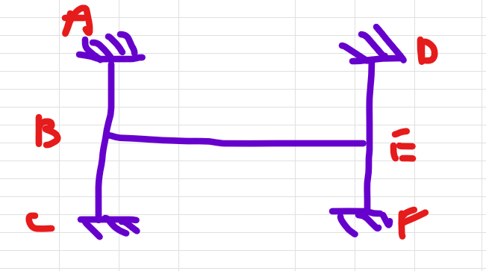

 |  |  | Frame analysis

 |  |  | K Distribution
Height of Column correct? Clear height from mid beam to mid beam |  | Length A-B | 3150 | m | Lenght B-E | 6101 | mm
 |  | K A-B | 214285.71429 |  | K B-E | 373401.90133

 |  | Length B-C | 3150 | m
 |  | K B-C | 214285.71429

 |  | Length D-E | 3150 | m
 |  | K D-E | 214285.71429

 |  | Length E-F | 3150 | m
 |  | K E-F | 214285.71429

 |  | MDM

 |  |  |  | W Max |  |  |  |  |  |  |  |  |  | W Min

 |  |  | 27.161743854 |  |  |  |  | -31.036952191 |  |  |  |  | 12.425464723 |  |  |  |  | -16.30067306
 |  |  | 0.31273331357 |  |  |  |  | -0.25227922167 |  |  |  |  | 0.16966855443 |  |  |  |  | -0.10921446253
 |  |  | 1.083664581 |  |  |  |  | -1.3433449373 |  |  |  |  | 0.46913037065 |  |  |  |  | -0.72881072696
 |  |  | 5.7703338345 |  |  |  |  | -4.6548777036 |  |  |  |  | 3.1306041211 |  |  |  |  | -2.0151479903
 |  |  | 19.995012125 |  |  |  |  | -24.786450328 |  |  |  |  | 8.6560616764 |  |  |  |  | -13.44749988
 |  |  | 0.26719805547 | Joint A |  |  | Joint B | 0.26719805547 |  |  |  |  | 0.26719805547 | Joint A |  |  | Joint B | 0.26719805547
 |  |  | 0.26719805547 | 0.46560388907 |  |  | 0.46560388907 | 0.26719805547 |  |  |  |  | 0.26719805547 | 0.46560388907 |  |  | 0.46560388907 | 0.26719805547
 |  |  |  | -74.832176791 |  |  | 92.764336495 |  |  |  |  |  |  | -32.395676163 |  |  | 50.327835868
 |  |  | 19.995012125 | 34.842152541 |  |  | -43.191435839 | -24.786450328 |  |  |  |  | 8.6560616764 | 15.083552811 |  |  | -23.432836108 | -13.44749988
 |  |  |  | -21.595717919 |  |  | 17.421076271 |  |  |  |  |  |  | -11.716418054 |  |  | 7.5417764053
 |  |  | 5.7703338345 | 10.05505025 |  |  | -8.1113208633 | -4.6548777036 |  |  |  |  | 3.1306041211 | 5.4552098119 |  |  | -3.5114804248 | -2.0151479903
 |  |  |  | -4.0556604316 |  |  | 5.0275251252 |  |  |  |  |  |  | -1.7557402124 |  |  | 2.727604906
 |  |  | 1.083664581 | 1.8883312697 |  |  | -2.3408352507 | -1.3433449373 |  |  |  |  | 0.46913037065 | 0.81747947107 |  |  | -1.269983452 | -0.72881072696
 |  |  |  | -1.1704176253 |  |  | 0.94416563485 |  |  |  |  |  |  | -0.63499172602 |  |  | 0.40873973554
 |  |  | 0.31273331357 | 0.54495099819 |  |  | -0.43960719151 | -0.25227922167 |  |  |  |  | 0.16966855443 | 0.29565461716 |  |  | -0.19031081048 | -0.10921446253
 |  |  | 27.161743854 | -54.323487708 |  |  | 62.073904382 | -31.036952191 |  |  |  |  | 12.425464723 | -24.850929445 |  |  | 32.601346119 | -16.30067306

 |  |  | Check | 0 |  |  | Check | 0 |  |  |  |  | Check | 0 |  |  | Check | 0

Column design
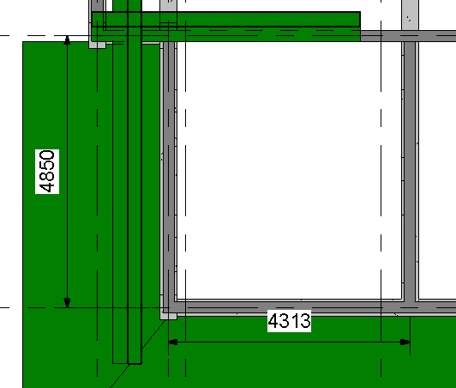
Top floor
 |  |  |  |  |  |  |  |  |  |  |  | y axis
 | Column |  |  |  | Beam |  |  | FEM
 | b | 400 | mm |  | b | 250 | mm | w= | 10 | kN/m
 | h | 400 | mm |  | h | 500 | mm | FEM = | 1.3546875 | kNm
 | I | 2133333333.3 |  |  | I | 2604166666.7
 | L clear = | 2500 | mm |  | L clear = | 1275 | mm
 | k= | 853333.33333 |  |  | k= | 2042483.6601
 |  |  |  |  | 0.5k = | 1021241.8301
 | Moment 1= | 0.61667305882 | kNm |  |  |  |  |  |  | x axis
 | Ned = | 6.375 | kN

 | Column |  |  |  | Beam |  |  | FEM
 | b | 400 | mm |  | b | 250 | mm | w= | 10 | kN/m
 | h | 400 | mm |  | h | 500 | mm | FEM = | 5.8520833333 | kNm
 | I | 2133333333.3 |  |  | I | 2604166666.7
 | L clear = | 2500 | mm |  | L clear = | 2650 | mm
 | k= | 853333.33333 |  |  | k= | 982704.40252
 |  |  |  |  | 0.5k = | 491352.20126
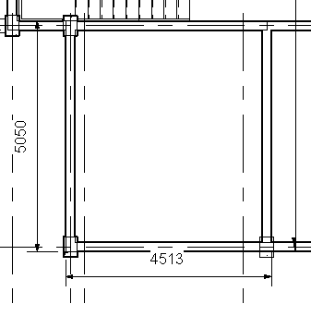
 | Moment 1= | 3.71371421 | kNm
 | Ned = | 13.25 | kN

1 axis
2nd floor
 | Column Top |  |  |  | Column Bottom |  |  |  | Beam |  |  | FEM
 | b | 400 | mm |  | b | 400 | mm |  | b | 250 | mm | w= | 3.125 | kN/m
 | h | 400 | mm |  | h | 400 | mm |  | h | 500 | mm | FEM = | 0.42333984375 | kNm
 | I | 2133333333.3 |  |  | I | 2133333333.3 |  |  | I | 2604166666.7
 | L clear = | 2500 | mm |  | L clear = | 2500 | mm |  | L clear = | 1275 | mm
 | k= | 853333.33333 |  |  | k= | 853333.33333 |  |  | k= | 2042483.6601
 |  |  |  |  |  |  |  |  | 0.5k = | 1021241.8301
 | Moment Top= | 0.13242746244 | kNm
 | Moment bottom = | 0.13242746244 | kNm
 | Ned = | 1.9921875 | kN

2nd floor
 | Column Top |  |  |  | Column Bottom |  |  |  | Beam |  |  | FEM
 | b | 400 | mm |  | b | 400 | mm |  | b | 250 | mm | w= | 3.125 | kN/m
 | h | 400 | mm |  | h | 400 | mm |  | h | 500 | mm | FEM = | 1.8287760417 | kNm
 | I | 2133333333.3 |  |  | I | 2133333333.3 |  |  | I | 2604166666.7
 | L clear = | 2500 | mm |  | L clear = | 2500 | mm |  | L clear = | 2650 | mm
 | k= | 853333.33333 |  |  | k= | 853333.33333 |  |  | k= | 982704.40252
 |  |  |  |  |  |  |  |  | 0.5k = | 491352.20126
 | Moment Top= | 0.70998278419 | kNm
 | Moment bottom = | 0.70998278419 | kNm
 | Ned = | 4.140625 | kN
base floor
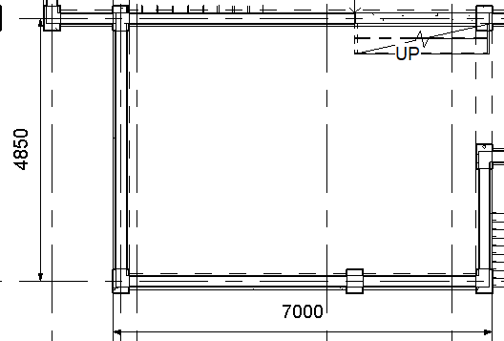
Base floor
 | Column Top |  |  |  | Column Bottom |  |  |  | Beam |  |  | FEM
 | b | 400 | mm |  | b | 400 | mm |  | b | 250 | mm | w= | 3.125 | kN/m
 | h | 400 | mm |  | h | 400 | mm |  | h | 500 | mm | FEM = | 0.42333984375 | kNm
 | I | 2133333333.3 |  |  | I | 2133333333.3 |  |  | I | 2604166666.7
 | L clear = | 2500 | mm |  | L clear = | 1225 | mm |  | L clear = | 1275 | mm
 | k= | 853333.33333 |  |  | k= | 1741496.5986 |  |  | k= | 2042483.6601
 |  |  |  |  |  |  |  |  | 0.5k = | 1021241.8301
 | Moment Top= | 0.099901225355 | kNm
 | Moment bottom = | 0.20388005175 | kNm
 | Ned = | 1.9921875 | kN

Base floor
 | Column Top |  |  |  | Column Bottom |  |  |  | Beam |  |  | FEM
 | b | 400 | mm |  | b | 400 | mm |  | b | 250 | mm | w= | 3.125 | kN/m
 | h | 400 | mm |  | h | 400 | mm |  | h | 500 | mm | FEM = | 1.8287760417 | kNm
 | I | 2133333333.3 |  |  | I | 2133333333.3 |  |  | I | 2604166666.7
 | L clear = | 2500 | mm |  | L clear = | 1225 | mm |  | L clear = | 2650 | mm
 | k= | 853333.33333 |  |  | k= | 1741496.5986 |  |  | k= | 982704.40252
 |  |  |  |  |  |  |  |  | 0.5k = | 491352.20126
 | Moment Top= | 0.50565893009 | kNm
 | Moment bottom = | 1.0319570002 | kNm
 | Ned = | 4.140625 | kN

Total axial laoding = | 31.890625

slenderness check |  |  |  |  |  | Do the coding!!! |  |  |  |  |  | Biaxial check |  |  |  |  | Mimp
 |  |  |  |  |  | L= | 3000 |  |  |  |  | Mey = | 0.33174386869 | h= | 400 |  | 0.19931640625
A= | 0.7 |  | M02= | 0.099901225355 |  | Actual l = | 2500 |  |  |  |  | Mez = | 34.229316406 | b= | 400
B= | 1.1 |  | M01= | -0.13242746244
C= | 2.7255839653 |  |  |  |  |  |  |  |  |  |  | ey= | 10.402551493 |  | ey/h= | 0.026006378731
 |  |  | Lo = | 1875 |  |  |  |  |  |  |  | ez= | 8266.7028302 |  | ez/b= | 20.666757075
n= | 0.011724494485
 |  |  |  |  |  |  |  |  |  |  |  | ey/h)/(ez/b= | 0.0012583676595
lambda lim= | 387.64413995 | Catual lambda = | 16.237976321 |  |  |  |  |  |  |  |  |  | 794.68030858
Non-slender column |  |  |  |  |  |  |  |  |  |  |  | Biaxial bending must be considered

 | Cnom = 20, main bar = 16, link = 8
h'= | 364 |  | b'= | 364 |  | d2= | 36
Mz/h'= | 94036.583534 |  | my/b'= | 911.38425465 |  | d2/h= | 0.09

Beta = | 0.99335611979
 |  |  | Using chart
New Mz = | 94036.913073 | ----------------------------------------------------------------- |  |  |  |  | N/bhfck= | 0.0066438802083 |  | As min = | 7.3311781609
 |  |  |  |  |  |  | M/bh2fck= | 0.048977558892
 |  |  |  |  |  |  | Asfyk/bhfck= | 0.05 |  | As max = | 6400

 |  |  |  |  |  |  | As needed = | 480 |  | 4H16 | 804 | mm2

Link = | 4 |  | Provided = 8 ok
 | 6 |  |  |  |  |  |  |  |  |  |  | As x& y = | 804
 |  |  |  |  |  |  |  |  |  |  |  | d2x&y/h&b = | 0.09
Spacing = | 400
 | 400 |  | Spacing | 4H16-300 |  |  |  |  |  |  |  | Asfyk/bhfck= | 0.08375
 | 320 |  | At 350 above joint = |  | 180 |  |  |  |  |  |  | N/bhfck= | 0.0066438802083
 |  |  |  | 4H16-150 |  |  |  |  |  |  |  | M/bh2fck= | 0.058
 |  |  |  |  |  |  |  |  |  |  |  | M resistance= | 111.36

 |  |  |  |  |  |  |  |  |  |  |  | Nrd= | 3071340 |  | Bedning check
 |  |  |  |  |  |  |  |  |  |  |  | Ned/Nrd= | 0.010383293611 |  | 0.31035434873 | <1 | ok!
 |  |  |  |  |  |  |  |  |  |  |  | alpha = | 1

Foundation desing
550
400
550
Gk+Qk = | 31.890625 | kN | Bearing capacity assumed = |  |  | 150 | n/mm2 | Loose gravel
SLS Gk&Qk= | 22.779017857 | kN
 |  |  |  |  |  |  | cnom = | 20
550
Dimensions
B= | 1.3 | m | Footing weight = | 10.5625 | kN
400
H = | 1.3 | m
h= | 0.25 | m | Area required = | 0.22227678571 |  |  | Bar size = | 8 | mm
400
 |  |  | Area provided = | 1.69 | Ok!
400

Pressure at ULS |  | 18.870192308 | N/mm2 |  |  | d= | 218
Moment at face = |  | 1.9106069712 | kNm
 |  |  |  |  |  | Side length = | 450
550
K = | 0.0010308459376 | <0.167 No com needed
z = | 0.99909013693
z= | 0.95 | d
As = | 21.208111703 | mm2

As min = | 368.42 | mm2
As max= | 13000 | mm2

As taken = | 368.42 | mm2
 | 8H8 | 402 | mm2

Verticle shear |  |  |  |  |  |  | Asl determination
 |  |  |  | k= | 1.9578262852 |  | 312 | No need for calc | 538
Ved= | 0.60384615385 | kN |  |  | 1.9578262852

Design shear resistance =

Vmin = | 148.82974924 | kN | ok

Punching shear

2d= | 436 | Punching check needed

perimeter= | 4339.4687939 | mm
area = | 1454804.1971 | mm2
 |  |  | 40bar+d= | 538
 |  |  | available length = | 232
 |  |  |  | Reinforcement bar does not help with punching
Vmin = | 496.80157878 | kN

Punching shear force= | 4.4381900311 | kN

Shear at column perimeter
4994.9021606 | kN

axia force = | 31.890625
 | ok

Cracking
h= | 250 | mm | >250mm
fs = | 284.64677601
Taking for 320N/mm2
Using design crack 0.3mm

Max sapcing= | 100 |  | Max bar size = | 10 | ok

Spacing right now = | 161.495

No rof bar req = | 12.9196
Taking 13 bars
13H8-100

M allowable | @SLS

I= | 0.23800833333
y= | 0.65

N= | 33.341517857
M allowable = | 47.701004464 | kNm

